Risk Matrix
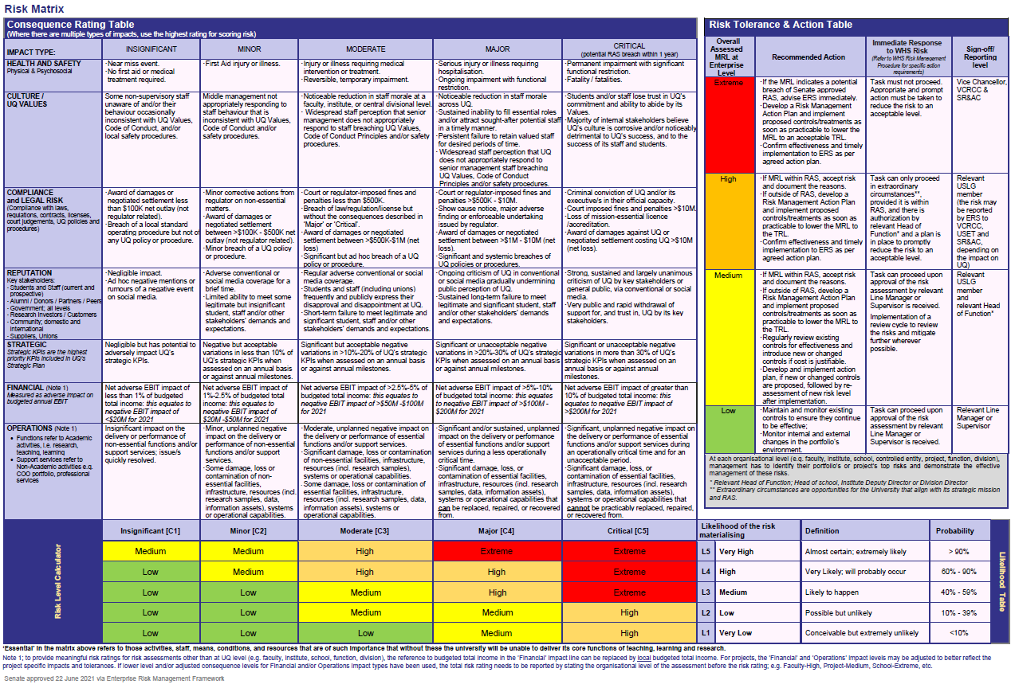
Enterprise Risk Matrix
 | Insignificant (1) | Minor (2) | Moderate (3) | Major (4) | Critical (5)
 | 1 | 2 | 3 | 4 | 5
Very High (5) | Medium | Medium | High | Extreme | Extreme
High (4) | Low | Medium | High | High | Extreme
Medium (3) | Low | Low | Medium | High | Extreme
Low (2) | Low | Low | Medium | Medium | High
Very Low (1) | Low | Low | Low | Medium | High

